GP
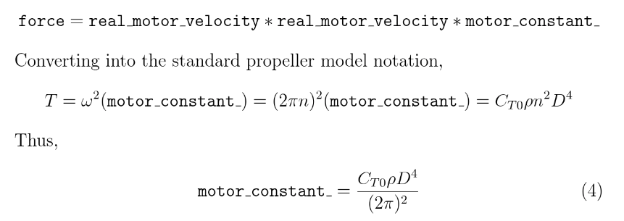
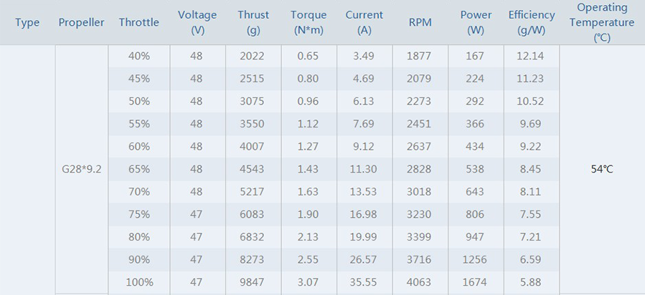
User Input
Maximum RPM [rev/min] | 4063
n Maximum RPS [rev/sec] | 67.716666667
w Maximum angular velocity [rad/sec] | 425.47636505
T Maximum Thrust [N] | 96.59907
P Maximum Motor power [W] | 1674
D Rotor Diameter [m] | 0.7112
ρ Air density at 20ºC [kg/m^3] | 1.2041
pi | 3.1415926536
Q Maximum Torque [N*m] | 3.07
angular velocity of each motor when 50% throttle [rad/sec] | 212.73818253
Max Motor Efficiency [g/W] | 12.14
Max Applied Voltage [V] | 48
Kv [RPM/V] | 110

Result Variable name of PX4
CT Thrust coefficient [dimensionless] | 0.068383646139
CQ Torque coefficient [dimensionless] | 0.0030558070984
CP Power coefficient [dimensionless] | 0.024606363854
mot_kv [V] | 110
CA_ROTOR0_CT | 6.5
CA_ROTOR0_KM | 0.05

Result Variable name of Gazebo
b = motorConstant [kg*m] = [N*s^2/rad^2] | 0.00053360767155 | motorconstant = thrust coefficient
d = momentConstant [m] | 0.031780844267
rotorDragCoefficient [kg] | 0.00027475188411 | rotorDragCoefficient | Research on the Endurance Optimisation of Multirotor UAVs for High-Altitude Environments
rollingMomentCoefficient [kg*m] |  | rollingMomentCoefficient
maxRotVelocity [rad/s] : | 425.47636505

Result Variable name of simulink
b = motorConstant [N*s^2/rad^2] | 0.00053360767155 | 이유는 gazebo의 모터 속도는 210일때 matlab은 21이기 때문
d = momentConstant [N*m*s^2/rad^2] | 1.6958502309E-05

